Application Screen
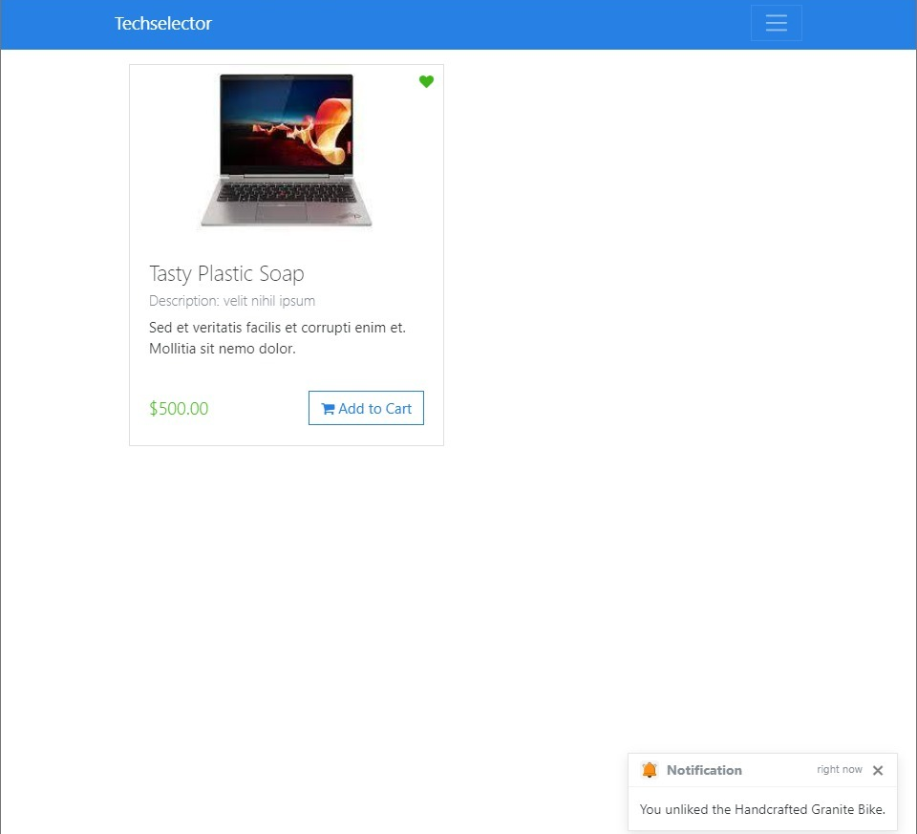
Liked items. | After unliking the items.

